Sheet1
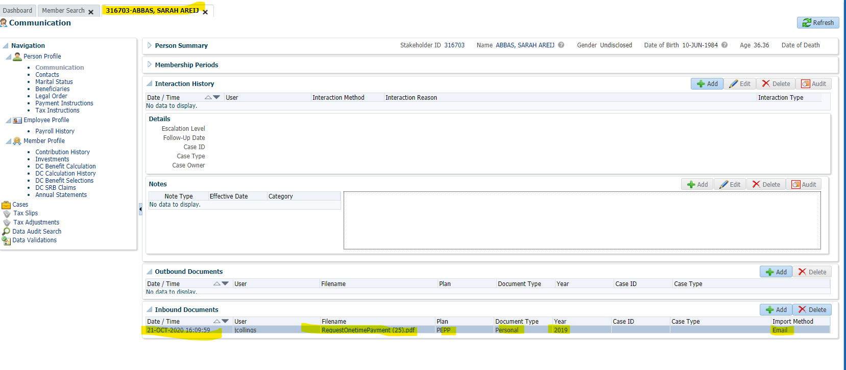
Case ID# | Test scenarios for : | Precondition | Org/Mkey | Step | Test Case Description | Expected Results | Actual Results | Outcome Pass/Fail | Retest Outcome Pass/Fail | Release # | Retest Release # | Test Type | Date Tested | Retest Date | Tested By | Retested By | Test Link | JIRA Ticket # | Comments
E21.02 | E21.02 - Attach a document to the member's file | Search for any active PEPP Member |  | 1 | Click on People Do a Member Search Select PEPP for Plan Click Search Click on the Stakeholder ID of one of the members | This will open the Stakeholder under a new Tab | This will open the Stakeholder under a new Tab | Pass |  | 24.4 |  | Functional | 21-Oct-20 |  | Jason Collings
 |  |  |  | 2 | Click on Communcations Under Inbound Documents Click +Add | This will open a new Document Box | This will open a new Document Box | Pass |  | 24.4 |  | Functional | 21-Oct-20 |  | Jason Collings
 |  |  |  | 3 | Under Input Method Select Email Under Plan Select PEPP Under Document Type Select Personal Under Year input 2019 Under file click Browse | This will open a new explorer box to find a file you want to attach | This will open a new explorer box to find a file you want to attach | Pass |  | 24.4 |  | Functional | 21-Oct-20 |  | Jason Collings
 |  |  |  | 4 | Find a file to attach Click Open Click Save | This will attach the file to the document. You will see it displayed under Inbound Documents | This will attach the file to the document. You will see it displayed under Inbound Documents | Pass |  | 24.4 |  | Functional | 21-Oct-20 |  | Jason Collings
Steps 1-4

